Norminv Question
 |  |  |  |  |  |  |  |  |  | Norminv
Line A |  | Line B |  | Line C |  |  | Line A | Line B | Line C | Mean
 |  |  |  |  |  |  | 794 | 547 | 1026 | Sample Standard Deviation
 | A1 |  | B1 |  | C1 |  | 800 | 546 | 932 | Less than 66.7%
 |  |  |  |  |  |  | 797 | 544 | 1037 | Less than 33.3%
 |  |  |  |  |  |  | 797 | 553 | 985 | Middle third
 |  |  |  |  |  |  | 797 | 551 | 1000 | Probability = | 0.5
 |  |  |  |  |  |  | 814 | 546 | 998
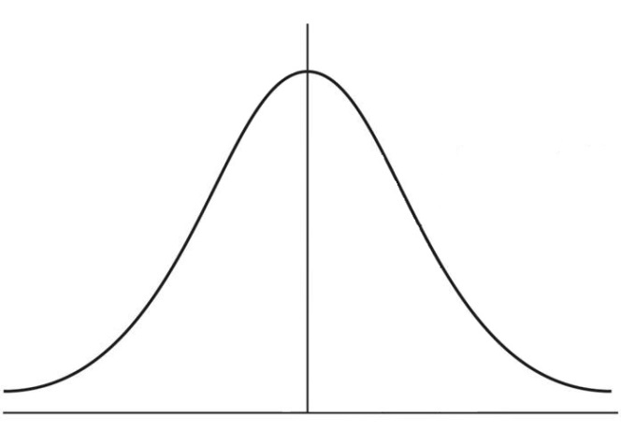
 | A2 |  | B2 |  | C2 |  | 776 | 550 | 1012
 |  |  |  |  |  |  | 792 | 554 | 1043
 |  |  |  |  |  |  | 807 | 539 | 970
 |  |  |  |  |  |  | 793 | 543 | 974
 |  |  |  |  |  |  | 811 | 553 | 1018
 | A3 |  | B3 |  | C3 |  | 785 | 553 | 991
 |  |  |  |  |  |  | 808 | 548 | 1029
 |  |  |  |  |  |  | 783 | 552 | 976
 |  |  |  |  |  |  | 793 | 543 | 970
 |  |  |  |  |  |  | 794 | 555 | 977
 |  |  |  |  |  |  | 793 | 549 | 1013
 |  |  |  |  |  |  | 803 | 548 | 991
 |  |  |  |  |  |  | 819 | 546 | 1065
 |  |  |  |  |  |  | 797 | 553 | 1018
 |  |  |  |  |  |  | 793 | 553 | 1000
 |  |  |  |  |  |  | 786 | 536 | 1004
 |  |  |  |  |  |  | 794 | 554 | 1015
 |  |  |  |  |  |  | 800 | 553 | 968
 |  |  |  |  |  |  | 797 | 552 | 1051
 |  |  |  |  |  | Mean | 796.9 | 548.8 | 1002.5
 |  |  |  |  |  | Sample Standard Deviation | 9.71 | 5.01 | 30.43
 |  |  |  |  |  | Max Expected Value (+ 3 sig) | 826.0 | 563.9 | 1093.8
 |  |  |  |  |  | Min Expected Value (- 3 sig) | 767.8 | 533.8 | 911.2
 |  |  |  |  |  | Expected Range | 58.2 | 30.1 | 182.6

Department Summary Question
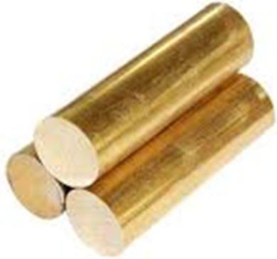
 |  |  |  |  |  |  |  |  | Raw materials required

Input to A1 | Line A |  | Input to B1 | Line B |  | Input to C1 | Line C |  | Mean
0.0 |  | A1 | 0.0 |  | B1 | 0.0 |  | C1 | 0
 |  | 7.30% |  |  | 4.40% |  |  | 6.10% | #DIV/0!

Input to A2 |  |  | Input to B2 |  |  | Input to C2
0.0 |  | A2 | 0.0 |  | B2 | 0.0 |  | C2
 |  | 2.20% |  |  | 0.90% |  |  | 1.8%

Input to A3 |  |  | Input to B3 |  |  | Input to C3
0.0 |  | A3 | 0.0 |  | B3 | 0.0 |  | C3
 |  | 3.30% |  |  | 1.10% |  |  | 2.60%

 |  |  |  |  |  |  |  |  | Normal distribution parameters for department output

 |  |  |  |  |  |  |  |  | Mean | Stdev
Mean |  |  | Mean |  |  | Mean |  |  | 0.0 | 0.00
Stdev |  |  | Stdev |  |  | Stdev
Variance |  |  | Variance |  |  | Variance |  |  | 0.00
Process Yield |  |  | Process Yield |  |  | Process Yield

